Sheet1
distribution of cars make in population
make | Frequency | Percent | Cumulative | Cum Freq
HONDA | 406738 | 17.87 | 990688 | 17.87
TOYOTA | 395879 | 17.39 | 2203349 | 35.26
FORD | 169958 | 7.47 | 559541 | 42.73
NISSAN | 141438 | 6.21 | 1658275 | 48.94
SUBARU | 115203 | 5.06 | 1807376 | 54
HYUNDAI | 105005 | 4.61 | 1095716 | 58.61
MAZDA | 98358 | 4.32 | 1427502 | 62.93
CHEVROLET | 95021 | 4.18 | 334264 | 67.11
BMW | 91612 | 4.03 | 204563 | 71.14
JEEP | 82654 | 3.63 | 1201019 | 74.77
MERCEDES-BENZ | 73931 | 3.25 | 1501433 | 78.02
ACURA | 67592 | 2.97 | 67592 | 80.99
LEXUS | 62361 | 2.74 | 1320735 | 83.73
VOLKSWAGEN | 62218 | 2.73 | 2265567 | 86.46
KIA | 50812 | 2.23 | 1251831 | 88.69
AUDI | 45066 | 1.98 | 112726 | 90.67
DODGE | 35836 | 1.57 | 385735 | 92.24
GMC | 24406 | 1.07 | 583950 | 93.31
INFINITI | 20697 | 0.91 | 1116413 | 94.22
BUICK | 18316 | 0.8 | 222879 | 95.02
CADILLAC | 16364 | 0.72 | 239243 | 95.74
RAM | 16247 | 0.71 | 1684381 | 96.45
CHRYSLER | 15635 | 0.69 | 349899 | 97.14
OTHERS | 64587 | 2.83
VOLVO | 10367 | 0.46 | 2275934 | 97.6
PORSCHE | 9777 | 0.43 | 1668134 | 98.03
MINI | 7646 | 0.34 | 1509151 | 98.37
MITSUBISHI | 7686 | 0.34 | 1516837 | 98.71
LINCOLN | 7305 | 0.32 | 1328040 | 99.03
SCION | 7299 | 0.32 | 1691821 | 99.35
LAND-ROVER | 6489 | 0.28 | 1258374 | 99.63
FIAT | 3842 | 0.17 | 389583 | 99.8
JAGUAR | 1948 | 0.09 | 1118365 | 99.89
MASERATI | 1088 | 0.05 | 1329139 | 99.94
SMART | 352 | 0.02 | 1692173 | 99.96
BENTLEY | 225 | 0.01 | 112951 | 99.97
ASTON-MARTIN | 68 | 0 | 67660 | 99.97
FERRARI | 6 | 0 | 385741 | 99.97
GEO | 3 | 0 | 559544 | 99.97
HUMMER | 23 | 0 | 990711 | 99.97
ISUZU | 4 | 0 | 1116417 | 99.97
LAMBORGHINI | 54 | 0 | 1251885 | 99.97
LOTUS | 11 | 0 | 1328051 | 99.97
MAYBACH | 5 | 0 | 1329144 | 99.97
MERCURY | 72 | 0 | 1501505 | 99.97
OLDSMOBILE | 4 | 0 | 1658279 | 99.97
PONTIAC | 78 | 0 | 1658357 | 99.97
ROLLS-ROYCE | 37 | 0 | 1684418 | 99.97
SAAB | 38 | 0 | 1684456 | 99.97
SATURN | 66 | 0 | 1684522 | 99.97
SUZUKI | 90 | 0 | 1807466 | 99.97
TESLA | 4 | 0 | 1807470 | 99.97

Sheet2
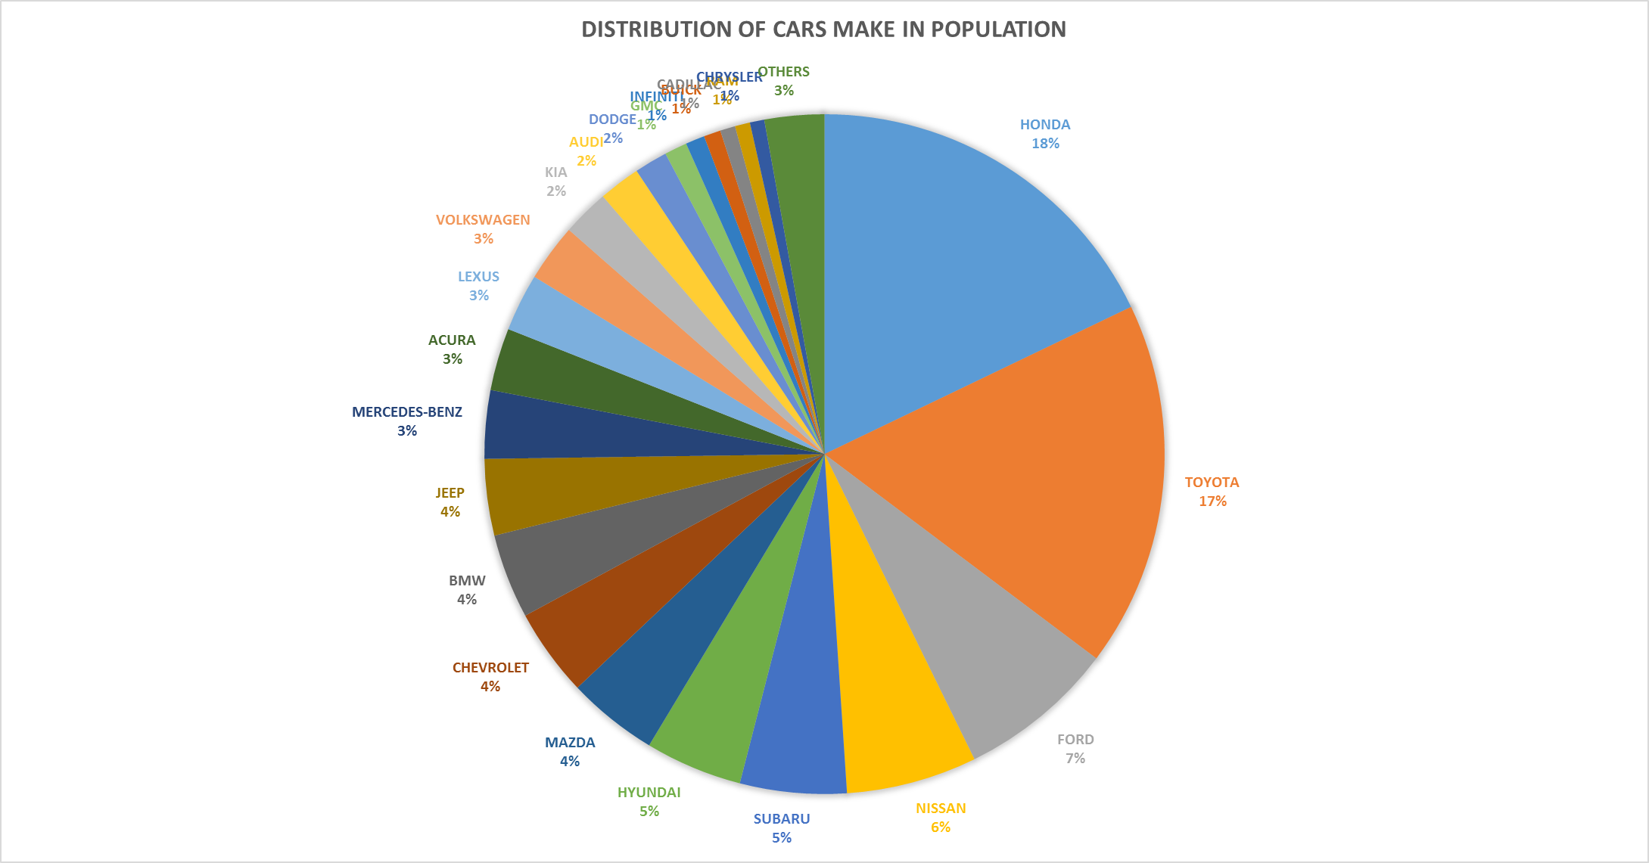
make | Percent
HONDA | 17.87
TOYOTA | 17.39
FORD | 7.47
NISSAN | 6.21
SUBARU | 5.06
HYUNDAI | 4.61
MAZDA | 4.32
CHEVROLET | 4.18
BMW | 4.03
JEEP | 3.63
MERCEDES-BENZ | 3.25
ACURA | 2.97
LEXUS | 2.74
VOLKSWAGEN | 2.73
KIA | 2.23
AUDI | 1.98
DODGE | 1.57
GMC | 1.07
INFINITI | 0.91
BUICK | 0.8
CADILLAC | 0.72
RAM | 0.71
CHRYSLER | 0.69
VOLVO | 0.46
PORSCHE | 0.43
MINI | 0.34
MITSUBISHI | 0.34
LINCOLN | 0.32
SCION | 0.32
LAND-ROVER | 0.28
FIAT | 0.17
JAGUAR | 0.09
MASERATI | 0.05
SMART | 0.02
BENTLEY | 0.01
ASTON-MARTIN | 0
FERRARI | 0
GEO | 0
HUMMER | 0
ISUZU | 0
LAMBORGHINI | 0
LOTUS | 0
MAYBACH | 0
MERCURY | 0
OLDSMOBILE | 0
PONTIAC | 0
ROLLS-ROYCE | 0
SAAB | 0
SATURN | 0
SUZUKI | 0
TESLA | 0

